Data
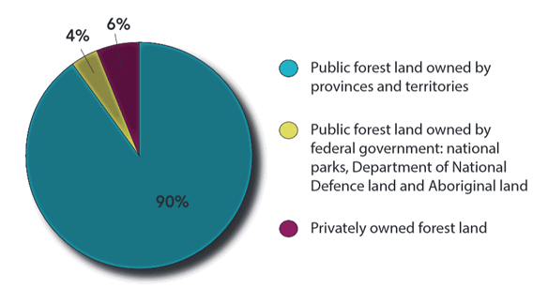
Source:
http://www.nrcan.gc.ca/forests/canada/ownership/17495
government | 94%
private | 6%
consumer | 0%

